1.1 System architecture
1.1 Architecture
 | 1. Odoo as Framework
 |  | Webcoop uses Odoo ver10 as its frame work and is developed as series of addon modules of Odoo.
 |  | Odoo ver10 applys LGPLv3 opensource license, and LGPv3 is defined in [https://www.gnu.org/licenses/lgpl-3.0.html] in details
 |  |  | (general info is written in [https://en.wikipedia.org/wiki/GNU_Lesser_General_Public_License].)

 |  | About the LGPv3
 |  |  | Briefly , the LGPv3 license allows everyone to full usage including business with copyleft basis.
 |  |  | (Meaning , if you provide the system to someone ,you need to provide same license (LGPv3) to user .)
 |  |  | But , LGPLv3 is the lesser version of GPL , and it doesn't force the program ,which linked to LGPLv3 code dynamically , to apply LGPLv3's restriction.
 |  |  | (Meaning , developer can put the program ,only dynamically linked to LGPLv3, their own copyright and claim their own copyright.)

 |  | Webcoop is using LGPLv3(Odoo) license modules as dynamically linked or as similar middle module (not as static linke or copy) ,
 |  | so Webcoop's license is out of LGPLv3 (but it is of course limited to webcoop source)

 | 2. MVC model

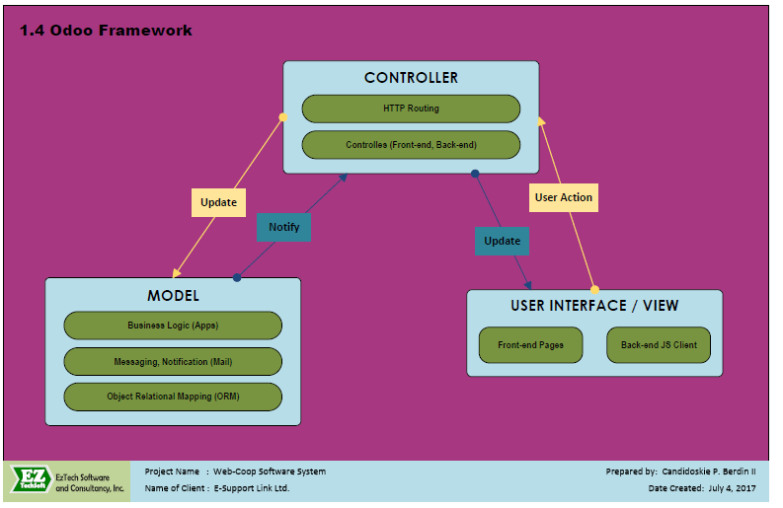
 |  | image

 |  | in details , refer to below
 |  | https://doc.odoo.com/trunk/server/02_architecture
 |  | https://www.technaureus.com/mvc-architecture-of-odoo/

 |  | full referece for odoo development
 |  |  | https://www.odoo.com/documentation/10.0/index.html

 | 3. ORM (Object relational Mapping) concept

 |  | Odoo applys ORM concept in the frame work.
 |  | ORM(Object Relational Mapping) is a concept or technique which acts as a bridge between your programming language and database.
 |  | The Object Relational Mapping helps to execute SQL queries without writing them explicitly.

 |  | refer to
 |  | https://www.cybrosys.com/blog/orm-in-odoo

 | 4.Multi-tenant
 |  | Odoo can manage several company's data in one environment

 |  | Can select install module per company,
 |  | Can keep data per company seperately in same phisical database

 |  |  | image
 |  |  |  | 0. access url
 |  |  |  | url can be common per company , can be separate per company by using sub-domain
 |  |  |  | (*for using sub-domain per company , need some tasks in cloud server)
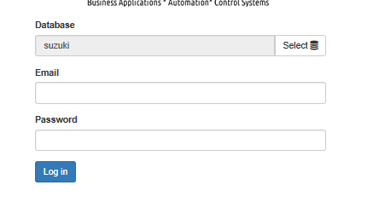
 |  |  |  | 1.select db defined per company and login



 |  |  |  | 2. get specific db's data from db server
 |  |  |  | installed module or configu information also is kept in the db also per company seperately
db1
db2
db3
db4

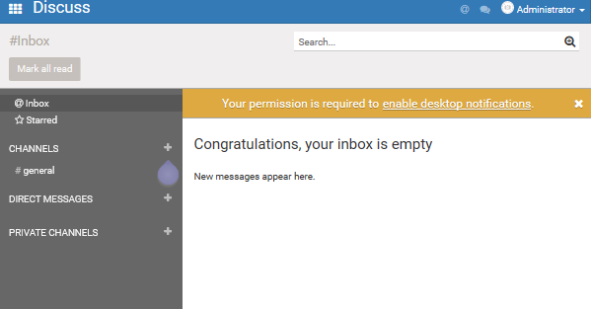

 |  |  |  | 3.get the installed module and data , and display in view

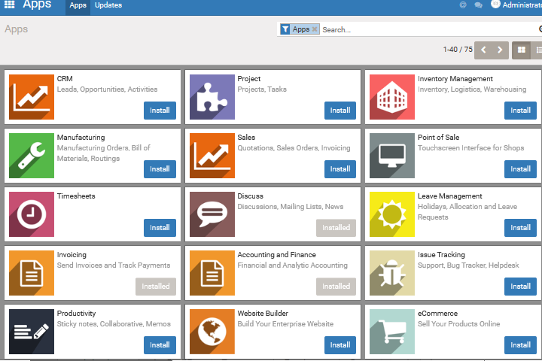
 |  |  |  | 4.installed module can be seen in Apps menu (only for Admin)

 |  |  |  | *This Apps is used for installation.
 |  |  |  | By this, you can select installed module per company easily.

